heet1_QEF1624_OG31_T3-55-0-3_SC
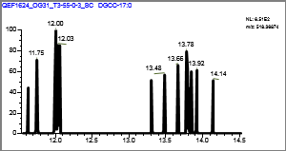
Confirmation Report
Lab Name: | OGL
Instrument: | QEFocus |  |  |  |  | Method: | Known_IPLs_Marine_11_14_2018_Known_IPLs_Marine_11_14_2018
User: | Thermo |  |  |  |  |  | Known_IPLs_Marine_11_14_2018
Batch: | Known_IPLs_Marine_11_14_2018 |  |  |  |  | Cali File: | Known_IPLs_Marine_11_14_2018.calx

Vial Pos | Sample ID |  | File Name |  | Level | Sample Name |  | File Date | Comment
RC2 | 1 |  | QEF1624_OG31_T3-55-0-3_SC |  | N/A |  |  | 7/31/2018

ARCHAEOL |  |  |  |  |  |  | Quan Peak: | m/z653.68062 mz
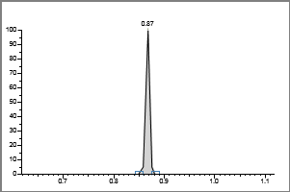

 | Injected |  | Sample |  | Flags
Conc: | N/A | ng | N/A | ng

Retention Time: |  | 0.87
Area: |  | 717
Height: |  | 1196

 | **MANUAL SETTINGS**

Calibration Curve
 |  |  |  |  |  |  | Qual Ion 1: | N/A mz

 |  |  |  |  |  |  | Qual Ion 2: | N/A mz
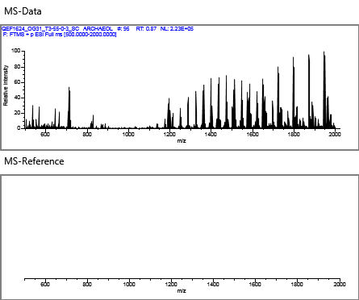

 |  |  |  |  |  |  | Overlay
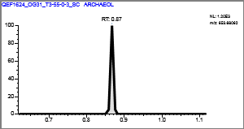

MGDG-19:2 |  |  |  |  |  |  | Quan Peak: | m/z549.36332 mz
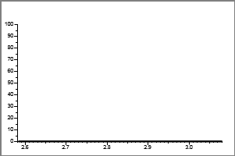

 | Injected |  | Sample |  | Flags
Conc: | N/A |  | N/A

Retention Time: |  | 0.00
Area: |  | 892
Height: |  | 1961

 | **MANUAL SETTINGS**

Calibration Curve
 |  |  |  |  |  |  | Qual Ion 1: | N/A mz

 |  |  |  |  |  |  | Qual Ion 2: | N/A mz
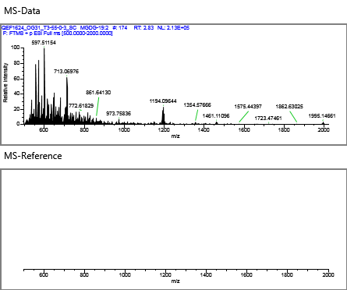

 |  |  |  |  |  |  | Overlay
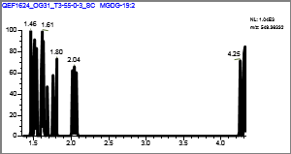

MGDG |  |  |  |  |  |  | Quan Peak: | m/z775.53547 mz
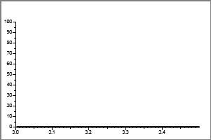

 | Injected |  | Sample |  | Flags
Conc: | N/A |  | N/A

Retention Time: |  | 0.00
Area: |  | 2719
Height: |  | 2371

 | **MANUAL SETTINGS**

Calibration Curve
 |  |  |  |  |  |  | Qual Ion 1: | N/A mz

 |  |  |  |  |  |  | Qual Ion 2: | N/A mz


 |  |  |  |  |  |  | Overlay
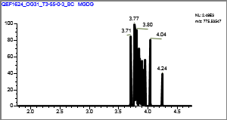

Gly-GDGT-0 |  |  |  |  |  |  | Quan Peak: | m/z1463.36767 mz
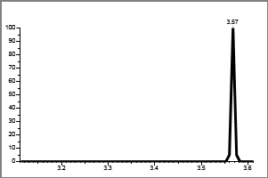

 | Injected |  | Sample |  | Flags
Conc: | N/A |  | N/A

Retention Time: |  | 0.00
Area: |  | 29959
Height: |  | 5674

 | **MANUAL SETTINGS**

Calibration Curve
 |  |  |  |  |  |  | Qual Ion 1: | N/A mz

 |  |  |  |  |  |  | Qual Ion 2: | N/A mz
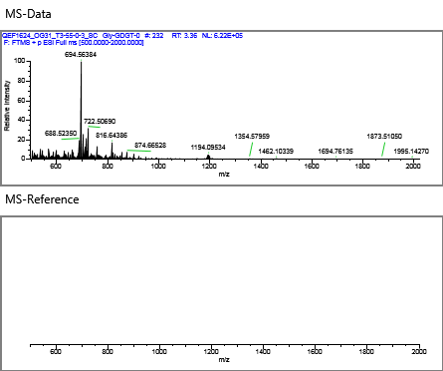

 |  |  |  |  |  |  | Overlay
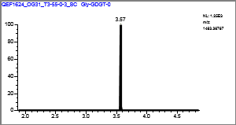

MGDG-30:1 |  |  |  |  |  |  | Quan Peak: | m/z718.54637 mz
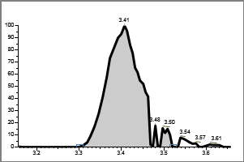

 | Injected |  | Sample |  | Flags
Conc: | N/A |  | N/A

Retention Time: |  | 3.41
Area: |  | 518522
Height: |  | 101441

 | **MANUAL SETTINGS**

Calibration Curve
 |  |  |  |  |  |  | Qual Ion 1: | N/A mz

 |  |  |  |  |  |  | Qual Ion 2: | N/A mz
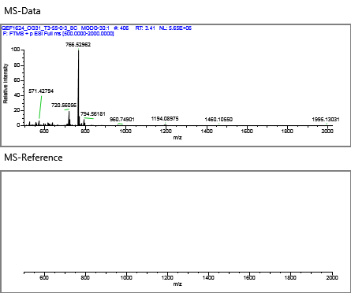

 |  |  |  |  |  |  | Overlay
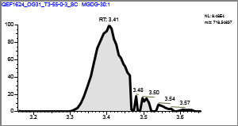

MGDG-36:10 |  |  |  |  |  |  | Quan Peak: | m/z784.49942 mz
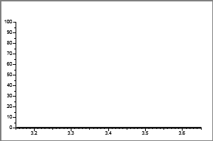

 | Injected |  | Sample |  | Flags
Conc: | N/A |  | N/A

Retention Time: |  | 0.00
Area: |  | 20652
Height: |  | 11471

 | **MANUAL SETTINGS**

Calibration Curve
 |  |  |  |  |  |  | Qual Ion 1: | N/A mz

 |  |  |  |  |  |  | Qual Ion 2: | N/A mz
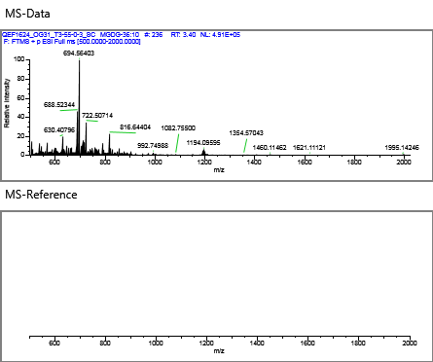

 |  |  |  |  |  |  | Overlay
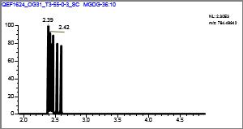

Gly-GDGT-1 |  |  |  |  |  |  | Quan Peak: | m/z1461.35202 mz
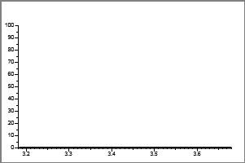

 | Injected |  | Sample |  | Flags
Conc: | N/A |  | N/A

Retention Time: |  | 0.00
Area: |  | 11815
Height: |  | 3716

 | **MANUAL SETTINGS**

Calibration Curve
 |  |  |  |  |  |  | Qual Ion 1: | N/A mz

 |  |  |  |  |  |  | Qual Ion 2: | N/A mz
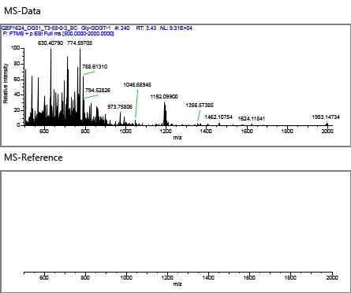

 |  |  |  |  |  |  | Overlay
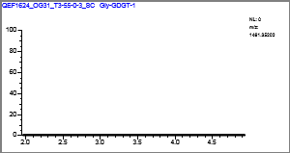

MGDG-28:0 |  |  |  |  |  |  | Quan Peak: | m/z692.53072 mz
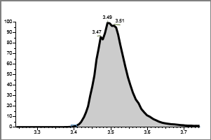

 | Injected |  | Sample |  | Flags
Conc: | N/A |  | N/A

Retention Time: |  | 3.49
Area: |  | 11380705
Height: |  | 1891455

 | **MANUAL SETTINGS**

Calibration Curve
 |  |  |  |  |  |  | Qual Ion 1: | N/A mz

 |  |  |  |  |  |  | Qual Ion 2: | N/A mz
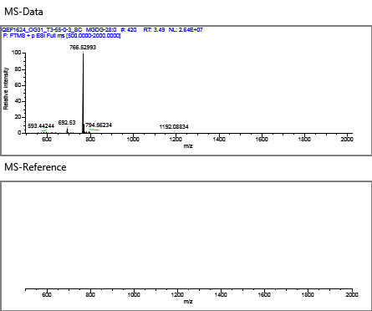

 |  |  |  |  |  |  | Overlay
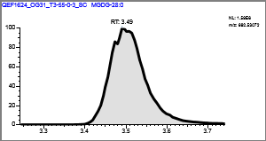

MGDG-34:5 |  |  |  |  |  |  | Quan Peak: | m/z747.50417 mz
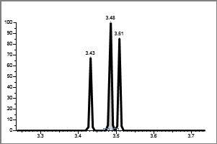

 | Injected |  | Sample |  | Flags
Conc: | N/A |  | N/A

Retention Time: |  | 3.48
Area: |  | 1601
Height: |  | 4212

 | **MANUAL SETTINGS**

Calibration Curve
 |  |  |  |  |  |  | Qual Ion 1: | N/A mz

 |  |  |  |  |  |  | Qual Ion 2: | N/A mz
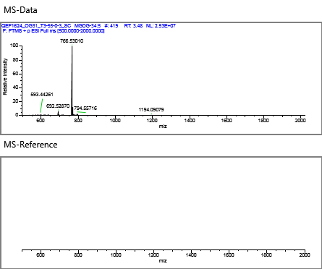

 |  |  |  |  |  |  | Overlay
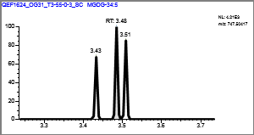

MGDG-32:1 |  |  |  |  |  |  | Quan Peak: | m/z749.51742 mz
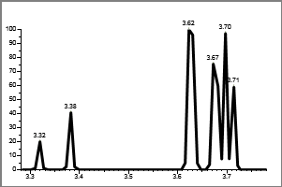

 | Injected |  | Sample |  | Flags
Conc: | N/A |  | N/A

Retention Time: |  | 0.00
Area: |  | 2030
Height: |  | 2246

 | **MANUAL SETTINGS**

Calibration Curve
 |  |  |  |  |  |  | Qual Ion 1: | N/A mz

 |  |  |  |  |  |  | Qual Ion 2: | N/A mz
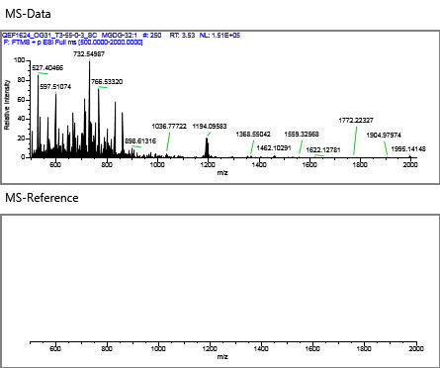

 |  |  |  |  |  |  | Overlay
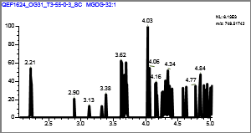

MGDG-36:2 |  |  |  |  |  |  | Quan Peak: | m/z800.62462 mz
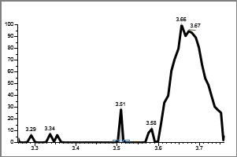

 | Injected |  | Sample |  | Flags
Conc: | N/A |  | N/A

Retention Time: |  | 3.51
Area: |  | 6395
Height: |  | 8645

 | **MANUAL SETTINGS**

Calibration Curve
 |  |  |  |  |  |  | Qual Ion 1: | N/A mz

 |  |  |  |  |  |  | Qual Ion 2: | N/A mz


 |  |  |  |  |  |  | Overlay
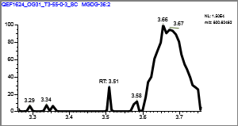

MGDG-37:3 |  |  |  |  |  |  | Quan Peak: | m/z814.64027 mz
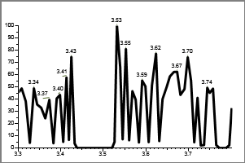

 | Injected |  | Sample |  | Flags
Conc: | N/A |  | N/A

Retention Time: |  | 0.00
Area: |  | 875
Height: |  | 1645

 | **MANUAL SETTINGS**

Calibration Curve
 |  |  |  |  |  |  | Qual Ion 1: | N/A mz

 |  |  |  |  |  |  | Qual Ion 2: | N/A mz
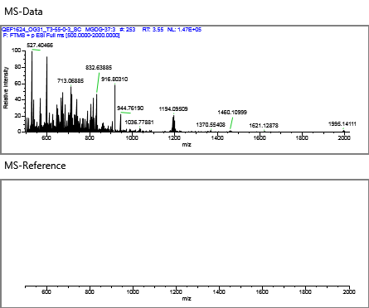

 |  |  |  |  |  |  | Overlay
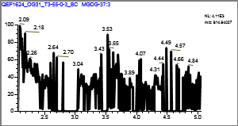

MGDG-33:0 |  |  |  |  |  |  | Quan Peak: | m/z760.59332 mz
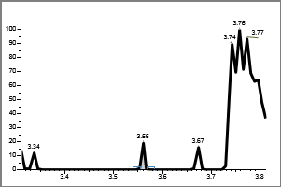

 | Injected |  | Sample |  | Flags
Conc: | N/A |  | N/A

Retention Time: |  | 3.56
Area: |  | 1462
Height: |  | 2834

 | **MANUAL SETTINGS**

Calibration Curve
 |  |  |  |  |  |  | Qual Ion 1: | N/A mz

 |  |  |  |  |  |  | Qual Ion 2: | N/A mz
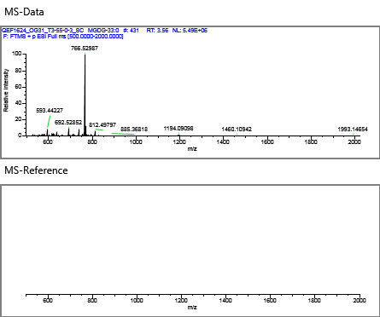

 |  |  |  |  |  |  | Overlay
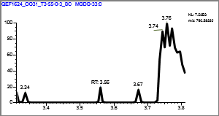

MGDG-32:0 |  |  |  |  |  |  | Quan Peak: | m/z729.55112 mz


 | Injected |  | Sample |  | Flags
Conc: | N/A |  | N/A

Retention Time: |  | 0.00
Area: |  | 3195
Height: |  | 3655

 | **MANUAL SETTINGS**

Calibration Curve
 |  |  |  |  |  |  | Qual Ion 1: | N/A mz

 |  |  |  |  |  |  | Qual Ion 2: | N/A mz
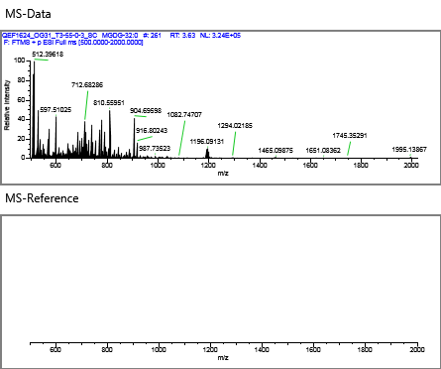

 |  |  |  |  |  |  | Overlay
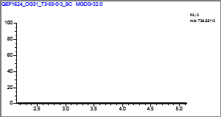

MGDG-28:1 |  |  |  |  |  |  | Quan Peak: | m/z673.48852 mz
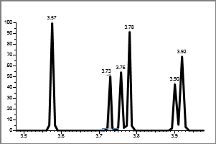

 | Injected |  | Sample |  | Flags
Conc: | N/A |  | N/A

Retention Time: |  | 3.73
Area: |  | 2263
Height: |  | 3452

 | **MANUAL SETTINGS**

Calibration Curve
 |  |  |  |  |  |  | Qual Ion 1: | N/A mz

 |  |  |  |  |  |  | Qual Ion 2: | N/A mz
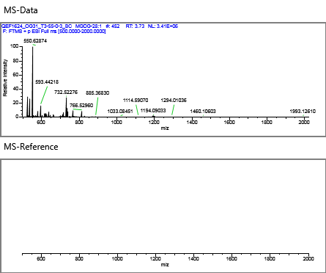

 |  |  |  |  |  |  | Overlay
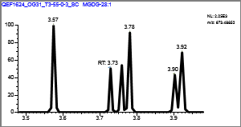

MGDG-30:2 |  |  |  |  |  |  | Quan Peak: | m/z699.50417 mz
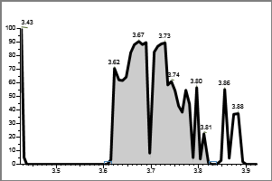

 | Injected |  | Sample |  | Flags
Conc: | N/A |  | N/A

Retention Time: |  | 3.67
Area: |  | 71048
Height: |  | 9032

 | **MANUAL SETTINGS**

Calibration Curve
 |  |  |  |  |  |  | Qual Ion 1: | N/A mz

 |  |  |  |  |  |  | Qual Ion 2: | N/A mz
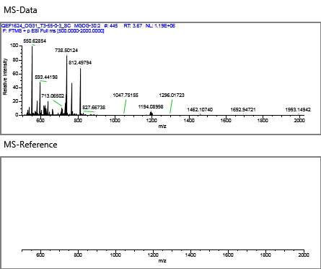

 |  |  |  |  |  |  | Overlay
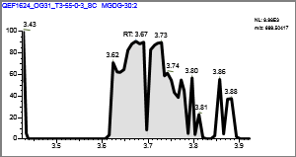

MGDG-30:3 |  |  |  |  |  |  | Quan Peak: | m/z697.48852 mz
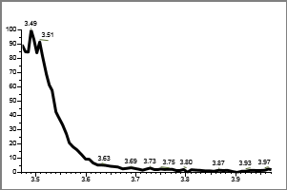

 | Injected |  | Sample |  | Flags
Conc: | N/A |  | N/A

Retention Time: |  | 0.00
Area: |  | 577
Height: |  | 1035

 | **MANUAL SETTINGS**

Calibration Curve
 |  |  |  |  |  |  | Qual Ion 1: | N/A mz

 |  |  |  |  |  |  | Qual Ion 2: | N/A mz


 |  |  |  |  |  |  | Overlay
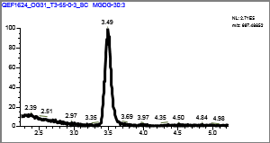

Gly-Cer-22:2 |  |  |  |  |  |  | Quan Peak: | m/z586.43134 mz
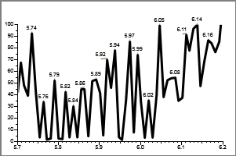

 | Injected |  | Sample |  | Flags
Conc: | N/A |  | N/A

Retention Time: |  | 0.00
Area: |  | 4015
Height: |  | 2582

 | **MANUAL SETTINGS**

Calibration Curve
 |  |  |  |  |  |  | Qual Ion 1: | N/A mz

 |  |  |  |  |  |  | Qual Ion 2: | N/A mz
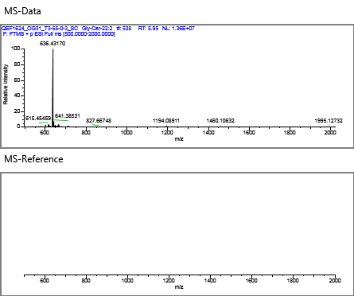

 |  |  |  |  |  |  | Overlay


DGTS-40:1 |  |  |  |  |  |  | Quan Peak: | m/z822.71813 mz


 | Injected |  | Sample |  | Flags
Conc: | N/A |  | N/A

Retention Time: |  | 0.00
Area: |  | 2039
Height: |  | 4300

 | **MANUAL SETTINGS**

Calibration Curve
 |  |  |  |  |  |  | Qual Ion 1: | N/A mz

 |  |  |  |  |  |  | Qual Ion 2: | N/A mz


 |  |  |  |  |  |  | Overlay


Gly-Cer-21:6 |  |  |  |  |  |  | Quan Peak: | m/z564.35309 mz


 | Injected |  | Sample |  | Flags
Conc: | N/A |  | N/A

Retention Time: |  | 0.00
Area: |  | 461
Height: |  | 875

 | **MANUAL SETTINGS**

Calibration Curve
 |  |  |  |  |  |  | Qual Ion 1: | N/A mz

 |  |  |  |  |  |  | Qual Ion 2: | N/A mz


 |  |  |  |  |  |  | Overlay


DGTS-33:1 |  |  |  |  |  |  | Quan Peak: | m/z746.59052 mz


 | Injected |  | Sample |  | Flags
Conc: | N/A |  | N/A

Retention Time: |  | 0.00
Area: |  | 642
Height: |  | 1234

 | **MANUAL SETTINGS**

Calibration Curve
 |  |  |  |  |  |  | Qual Ion 1: | N/A mz

 |  |  |  |  |  |  | Qual Ion 2: | N/A mz


 |  |  |  |  |  |  | Overlay


DGTS-34:2 |  |  |  |  |  |  | Quan Peak: | m/z736.60858 mz


 | Injected |  | Sample |  | Flags
Conc: | N/A |  | N/A

Retention Time: |  | 7.74
Area: |  | 92359
Height: |  | 18587

 | **MANUAL SETTINGS**

Calibration Curve
 |  |  |  |  |  |  | Qual Ion 1: | N/A mz

 |  |  |  |  |  |  | Qual Ion 2: | N/A mz


 |  |  |  |  |  |  | Overlay


DGTS-36:6 |  |  |  |  |  |  | Quan Peak: | m/z754.56163 mz


 | Injected |  | Sample |  | Flags
Conc: | N/A |  | N/A

Retention Time: |  | 0.00
Area: |  | 2105
Height: |  | 2396

 | **MANUAL SETTINGS**

Calibration Curve
 |  |  |  |  |  |  | Qual Ion 1: | N/A mz

 |  |  |  |  |  |  | Qual Ion 2: | N/A mz


 |  |  |  |  |  |  | Overlay


DGTS |  |  |  |  |  |  | Quan Peak: | m/z712.60858 mz


 | Injected |  | Sample |  | Flags
Conc: | N/A |  | N/A

Retention Time: |  | 7.76
Area: |  | 1936690
Height: |  | 515081

 | **MANUAL SETTINGS**

Calibration Curve
 |  |  |  |  |  |  | Qual Ion 1: | N/A mz

 |  |  |  |  |  |  | Qual Ion 2: | N/A mz


 |  |  |  |  |  |  | Overlay


DGTS-30:1 |  |  |  |  |  |  | Quan Peak: | m/z682.56163 mz


 | Injected |  | Sample |  | Flags
Conc: | N/A |  | N/A

Retention Time: |  | 7.73
Area: |  | 1424
Height: |  | 2733

 | **MANUAL SETTINGS**

Calibration Curve
 |  |  |  |  |  |  | Qual Ion 1: | N/A mz

 |  |  |  |  |  |  | Qual Ion 2: | N/A mz


 |  |  |  |  |  |  | Overlay


DGTS-31:0 |  |  |  |  |  |  | Quan Peak: | m/z698.59293 mz


 | Injected |  | Sample |  | Flags
Conc: | N/A |  | N/A

Retention Time: |  | 7.78
Area: |  | 1035767
Height: |  | 264446

 | **MANUAL SETTINGS**

Calibration Curve
 |  |  |  |  |  |  | Qual Ion 1: | N/A mz

 |  |  |  |  |  |  | Qual Ion 2: | N/A mz


 |  |  |  |  |  |  | Overlay


DGTS-29:0 |  |  |  |  |  |  | Quan Peak: | m/z670.56163 mz


 | Injected |  | Sample |  | Flags
Conc: | N/A |  | N/A

Retention Time: |  | 7.85
Area: |  | 1942343
Height: |  | 564087

 | **MANUAL SETTINGS**

Calibration Curve
 |  |  |  |  |  |  | Qual Ion 1: | N/A mz

 |  |  |  |  |  |  | Qual Ion 2: | N/A mz


 |  |  |  |  |  |  | Overlay


DGTS-34:0 |  |  |  |  |  |  | Quan Peak: | m/z740.63988 mz


 | Injected |  | Sample |  | Flags
Conc: | N/A |  | N/A

Retention Time: |  | 7.70
Area: |  | 933311
Height: |  | 206913

 | **MANUAL SETTINGS**

Calibration Curve
 |  |  |  |  |  |  | Qual Ion 1: | N/A mz

 |  |  |  |  |  |  | Qual Ion 2: | N/A mz


 |  |  |  |  |  |  | Overlay


DGTS-34:1 |  |  |  |  |  |  | Quan Peak: | m/z738.62423 mz


 | Injected |  | Sample |  | Flags
Conc: | N/A |  | N/A

Retention Time: |  | 7.71
Area: |  | 83790
Height: |  | 16566

 | **MANUAL SETTINGS**

Calibration Curve
 |  |  |  |  |  |  | Qual Ion 1: | N/A mz

 |  |  |  |  |  |  | Qual Ion 2: | N/A mz


 |  |  |  |  |  |  | Overlay


DGTS-35:1 |  |  |  |  |  |  | Quan Peak: | m/z750.62423 mz


 | Injected |  | Sample |  | Flags
Conc: | N/A |  | N/A

Retention Time: |  | 0.00
Area: |  | 2805
Height: |  | 2290

 | **MANUAL SETTINGS**

Calibration Curve
 |  |  |  |  |  |  | Qual Ion 1: | N/A mz

 |  |  |  |  |  |  | Qual Ion 2: | N/A mz


 |  |  |  |  |  |  | Overlay


DGTS-30:0 |  |  |  |  |  |  | Quan Peak: | m/z684.57728 mz


 | Injected |  | Sample |  | Flags
Conc: | N/A |  | N/A

Retention Time: |  | 7.81
Area: |  | 1745244
Height: |  | 501240

 | **MANUAL SETTINGS**

Calibration Curve
 |  |  |  |  |  |  | Qual Ion 1: | N/A mz

 |  |  |  |  |  |  | Qual Ion 2: | N/A mz


 |  |  |  |  |  |  | Overlay


DGTS-36:3 |  |  |  |  |  |  | Quan Peak: | m/z760.60858 mz


 | Injected |  | Sample |  | Flags
Conc: | N/A |  | N/A

Retention Time: |  | 7.87
Area: |  | 9567
Height: |  | 3469

 | **MANUAL SETTINGS**

Calibration Curve
 |  |  |  |  |  |  | Qual Ion 1: | N/A mz

 |  |  |  |  |  |  | Qual Ion 2: | N/A mz


 |  |  |  |  |  |  | Overlay


DGTS-34:6 |  |  |  |  |  |  | Quan Peak: | m/z728.54598 mz


 | Injected |  | Sample |  | Flags
Conc: | N/A |  | N/A

Retention Time: |  | 0.00
Area: |  | 1139
Height: |  | 2175

 | **MANUAL SETTINGS**

Calibration Curve
 |  |  |  |  |  |  | Qual Ion 1: | N/A mz

 |  |  |  |  |  |  | Qual Ion 2: | N/A mz


 |  |  |  |  |  |  | Overlay


DGTS-28:0 |  |  |  |  |  |  | Quan Peak: | m/z656.54598 mz


 | Injected |  | Sample |  | Flags
Conc: | N/A |  | N/A

Retention Time: |  | 7.87
Area: |  | 3117275
Height: |  | 941238

 | **MANUAL SETTINGS**

Calibration Curve
 |  |  |  |  |  |  | Qual Ion 1: | N/A mz

 |  |  |  |  |  |  | Qual Ion 2: | N/A mz


 |  |  |  |  |  |  | Overlay


DGTS-32:2 |  |  |  |  |  |  | Quan Peak: | m/z708.57728 mz


 | Injected |  | Sample |  | Flags
Conc: | N/A |  | N/A

Retention Time: |  | 7.89
Area: |  | 711
Height: |  | 1276

 | **MANUAL SETTINGS**

Calibration Curve
 |  |  |  |  |  |  | Qual Ion 1: | N/A mz

 |  |  |  |  |  |  | Qual Ion 2: | N/A mz


 |  |  |  |  |  |  | Overlay


DGTS-34:8 |  |  |  |  |  |  | Quan Peak: | m/z712.51468 mz


 | Injected |  | Sample |  | Flags
Conc: | N/A |  | N/A

Retention Time: |  | 7.89
Area: |  | 3861
Height: |  | 7017

 | **MANUAL SETTINGS**

Calibration Curve
 |  |  |  |  |  |  | Qual Ion 1: | N/A mz

 |  |  |  |  |  |  | Qual Ion 2: | N/A mz


 |  |  |  |  |  |  | Overlay


DGTS-27:0 |  |  |  |  |  |  | Quan Peak: | m/z642.53033 mz


 | Injected |  | Sample |  | Flags
Conc: | N/A |  | N/A

Retention Time: |  | 7.90
Area: |  | 741945
Height: |  | 223648

 | **MANUAL SETTINGS**

Calibration Curve
 |  |  |  |  |  |  | Qual Ion 1: | N/A mz

 |  |  |  |  |  |  | Qual Ion 2: | N/A mz


 |  |  |  |  |  |  | Overlay


DGTS-26:0 |  |  |  |  |  |  | Quan Peak: | m/z628.51468 mz


 | Injected |  | Sample |  | Flags
Conc: | N/A |  | N/A

Retention Time: |  | 7.94
Area: |  | 425751
Height: |  | 149015

 | **MANUAL SETTINGS**

Calibration Curve
 |  |  |  |  |  |  | Qual Ion 1: | N/A mz

 |  |  |  |  |  |  | Qual Ion 2: | N/A mz


 |  |  |  |  |  |  | Overlay


DGTS-29:1 |  |  |  |  |  |  | Quan Peak: | m/z668.54598 mz


 | Injected |  | Sample |  | Flags
Conc: | N/A |  | N/A

Retention Time: |  | 0.00
Area: |  | 4519
Height: |  | 1514

 | **MANUAL SETTINGS**

Calibration Curve
 |  |  |  |  |  |  | Qual Ion 1: | N/A mz

 |  |  |  |  |  |  | Qual Ion 2: | N/A mz


 |  |  |  |  |  |  | Overlay


DGTS-37:6 |  |  |  |  |  |  | Quan Peak: | m/z770.59293 mz


 | Injected |  | Sample |  | Flags
Conc: | N/A |  | N/A

Retention Time: |  | 0.00
Area: |  | 1060
Height: |  | 1754

 | **MANUAL SETTINGS**

Calibration Curve
 |  |  |  |  |  |  | Qual Ion 1: | N/A mz

 |  |  |  |  |  |  | Qual Ion 2: | N/A mz


 |  |  |  |  |  |  | Overlay


DGTS-32:4 |  |  |  |  |  |  | Quan Peak: | m/z704.54598 mz


 | Injected |  | Sample |  | Flags
Conc: | N/A |  | N/A

Retention Time: |  | 8.01
Area: |  | 62755
Height: |  | 20290

 | **MANUAL SETTINGS**

Calibration Curve
 |  |  |  |  |  |  | Qual Ion 1: | N/A mz

 |  |  |  |  |  |  | Qual Ion 2: | N/A mz


 |  |  |  |  |  |  | Overlay


PG-DAG-26:0 |  |  |  |  |  |  | Quan Peak: | m/z639.42316 mz


 | Injected |  | Sample |  | Flags
Conc: | N/A |  | N/A

Retention Time: |  | 8.10
Area: |  | 24074
Height: |  | 14198

 | **MANUAL SETTINGS**

Calibration Curve
 |  |  |  |  |  |  | Qual Ion 1: | N/A mz

 |  |  |  |  |  |  | Qual Ion 2: | N/A mz


 |  |  |  |  |  |  | Overlay


DGTS-31:1 |  |  |  |  |  |  | Quan Peak: | m/z696.57728 mz


 | Injected |  | Sample |  | Flags
Conc: | N/A |  | N/A

Retention Time: |  | 0.00
Area: |  | 1120
Height: |  | 1852

 | **MANUAL SETTINGS**

Calibration Curve
 |  |  |  |  |  |  | Qual Ion 1: | N/A mz

 |  |  |  |  |  |  | Qual Ion 2: | N/A mz


 |  |  |  |  |  |  | Overlay


DGTS-33:0 |  |  |  |  |  |  | Quan Peak: | m/z714.62423 mz


 | Injected |  | Sample |  | Flags
Conc: | N/A |  | N/A

Retention Time: |  | 0.00
Area: |  | 26996
Height: |  | 10301

 | **MANUAL SETTINGS**

Calibration Curve
 |  |  |  |  |  |  | Qual Ion 1: | N/A mz

 |  |  |  |  |  |  | Qual Ion 2: | N/A mz


 |  |  |  |  |  |  | Overlay


PDME-DAG-35:1 |  |  |  |  |  |  | Quan Peak: | m/z760.58508 mz


 | Injected |  | Sample |  | Flags
Conc: | N/A |  | N/A

Retention Time: |  | 0.00
Area: |  | 1517
Height: |  | 2578

 | **MANUAL SETTINGS**

Calibration Curve
 |  |  |  |  |  |  | Qual Ion 1: | N/A mz

 |  |  |  |  |  |  | Qual Ion 2: | N/A mz


 |  |  |  |  |  |  | Overlay


C16PDME |  |  |  |  |  |  | Quan Peak: | m/z720.55378 mz


 | Injected |  | Sample |  | Flags
Conc: | N/A |  | N/A

Retention Time: |  | 8.41
Area: |  | 805461
Height: |  | 136557

 | **MANUAL SETTINGS**

Calibration Curve
 |  |  |  |  |  |  | Qual Ion 1: | N/A mz

 |  |  |  |  |  |  | Qual Ion 2: | N/A mz


 |  |  |  |  |  |  | Overlay


PDME-DAG-30:0 |  |  |  |  |  |  | Quan Peak: | m/z692.52248 mz


 | Injected |  | Sample |  | Flags
Conc: | N/A |  | N/A

Retention Time: |  | 8.49
Area: |  | 3688221
Height: |  | 677350

 | **MANUAL SETTINGS**

Calibration Curve
 |  |  |  |  |  |  | Qual Ion 1: | N/A mz

 |  |  |  |  |  |  | Qual Ion 2: | N/A mz


 |  |  |  |  |  |  | Overlay


DGTA-32:2 |  |  |  |  |  |  | Quan Peak: | m/z708.57728 mz


 | Injected |  | Sample |  | Flags
Conc: | N/A |  | N/A

Retention Time: |  | 0.00
Area: |  | 5342
Height: |  | 2501

 | **MANUAL SETTINGS**

Calibration Curve
 |  |  |  |  |  |  | Qual Ion 1: | N/A mz

 |  |  |  |  |  |  | Qual Ion 2: | N/A mz


 |  |  |  |  |  |  | Overlay


DGTA-34:5 |  |  |  |  |  |  | Quan Peak: | m/z730.56163 mz


 | Injected |  | Sample |  | Flags
Conc: | N/A |  | N/A

Retention Time: |  | 9.48
Area: |  | 9549
Height: |  | 5166

 | **MANUAL SETTINGS**

Calibration Curve
 |  |  |  |  |  |  | Qual Ion 1: | N/A mz

 |  |  |  |  |  |  | Qual Ion 2: | N/A mz


 |  |  |  |  |  |  | Overlay


DGTA-38:6 |  |  |  |  |  |  | Quan Peak: | m/z784.60858 mz


 | Injected |  | Sample |  | Flags
Conc: | N/A |  | N/A

Retention Time: |  | 0.00
Area: |  | 595
Height: |  | 984

 | **MANUAL SETTINGS**

Calibration Curve
 |  |  |  |  |  |  | Qual Ion 1: | N/A mz

 |  |  |  |  |  |  | Qual Ion 2: | N/A mz


 |  |  |  |  |  |  | Overlay


DGTA-38:0 |  |  |  |  |  |  | Quan Peak: | m/z796.70248 mz


 | Injected |  | Sample |  | Flags
Conc: | N/A |  | N/A

Retention Time: |  | 9.55
Area: |  | 3273
Height: |  | 1195

 | **MANUAL SETTINGS**

Calibration Curve
 |  |  |  |  |  |  | Qual Ion 1: | N/A mz

 |  |  |  |  |  |  | Qual Ion 2: | N/A mz


 |  |  |  |  |  |  | Overlay


DGTA-40:10 |  |  |  |  |  |  | Quan Peak: | m/z812.55615 mz


 | Injected |  | Sample |  | Flags
Conc: | N/A |  | N/A

Retention Time: |  | 9.63
Area: |  | 4668
Height: |  | 1776

 | **MANUAL SETTINGS**

Calibration Curve
 |  |  |  |  |  |  | Qual Ion 1: | N/A mz

 |  |  |  |  |  |  | Qual Ion 2: | N/A mz


 |  |  |  |  |  |  | Overlay


DGTA-34:2 |  |  |  |  |  |  | Quan Peak: | m/z736.60858 mz


 | Injected |  | Sample |  | Flags
Conc: | N/A |  | N/A

Retention Time: |  | 9.51
Area: |  | 436
Height: |  | 721

 | **MANUAL SETTINGS**

Calibration Curve
 |  |  |  |  |  |  | Qual Ion 1: | N/A mz

 |  |  |  |  |  |  | Qual Ion 2: | N/A mz


 |  |  |  |  |  |  | Overlay


PME-DAG-34:2 |  |  |  |  |  |  | Quan Peak: | m/z730.53813 mz


 | Injected |  | Sample |  | Flags
Conc: | N/A |  | N/A

Retention Time: |  | 9.62
Area: |  | 281652
Height: |  | 56221

 | **MANUAL SETTINGS**

Calibration Curve
 |  |  |  |  |  |  | Qual Ion 1: | N/A mz

 |  |  |  |  |  |  | Qual Ion 2: | N/A mz


 |  |  |  |  |  |  | Overlay


C16PA |  |  |  |  |  |  | Quan Peak: | m/z688.48878 mz


 | Injected |  | Sample |  | Flags
Conc: | N/A |  | N/A

Retention Time: |  | 9.66
Area: |  | 425
Height: |  | 702

 | **MANUAL SETTINGS**

Calibration Curve
 |  |  |  |  |  |  | Qual Ion 1: | N/A mz

 |  |  |  |  |  |  | Qual Ion 2: | N/A mz


 |  |  |  |  |  |  | Overlay


PME-DAG-33:1 |  |  |  |  |  |  | Quan Peak: | m/z718.53813 mz


 | Injected |  | Sample |  | Flags
Conc: | N/A |  | N/A

Retention Time: |  | 9.65
Area: |  | 1925752
Height: |  | 355598

 | **MANUAL SETTINGS**

Calibration Curve
 |  |  |  |  |  |  | Qual Ion 1: | N/A mz

 |  |  |  |  |  |  | Qual Ion 2: | N/A mz


 |  |  |  |  |  |  | Overlay


C16PME |  |  |  |  |  |  | Quan Peak: | m/z706.53813 mz


 | Injected |  | Sample |  | Flags
Conc: | N/A |  | N/A

Retention Time: |  | 9.69
Area: |  | 784031
Height: |  | 129381

 | **MANUAL SETTINGS**

Calibration Curve
 |  |  |  |  |  |  | Qual Ion 1: | N/A mz

 |  |  |  |  |  |  | Qual Ion 2: | N/A mz


 |  |  |  |  |  |  | Overlay


C16-PE |  |  |  |  |  |  | Quan Peak: | m/z692.52248 mz


 | Injected |  | Sample |  | Flags
Conc: | N/A |  | N/A

Retention Time: |  | 9.72
Area: |  | 847803
Height: |  | 159758

 | **MANUAL SETTINGS**

Calibration Curve
 |  |  |  |  |  |  | Qual Ion 1: | N/A mz

 |  |  |  |  |  |  | Qual Ion 2: | N/A mz


 |  |  |  |  |  |  | Overlay


DGTS-19:0 |  |  |  |  |  |  | Quan Peak: | m/z530.40513 mz


 | Injected |  | Sample |  | Flags
Conc: | N/A |  | N/A

Retention Time: |  | 0.00
Area: |  | 1328
Height: |  | 2196

 | **MANUAL SETTINGS**

Calibration Curve
 |  |  |  |  |  |  | Qual Ion 1: | N/A mz

 |  |  |  |  |  |  | Qual Ion 2: | N/A mz


 |  |  |  |  |  |  | Overlay


PME-DAG-30:0 |  |  |  |  |  |  | Quan Peak: | m/z678.50683 mz


 | Injected |  | Sample |  | Flags
Conc: | N/A |  | N/A

Retention Time: |  | 9.76
Area: |  | 3132076
Height: |  | 590910

 | **MANUAL SETTINGS**

Calibration Curve
 |  |  |  |  |  |  | Qual Ion 1: | N/A mz

 |  |  |  |  |  |  | Qual Ion 2: | N/A mz


 |  |  |  |  |  |  | Overlay


PME-DAG-31:0 |  |  |  |  |  |  | Quan Peak: | m/z692.52248 mz


 | Injected |  | Sample |  | Flags
Conc: | N/A |  | N/A

Retention Time: |  | 9.72
Area: |  | 822716
Height: |  | 158547

 | **MANUAL SETTINGS**

Calibration Curve
 |  |  |  |  |  |  | Qual Ion 1: | N/A mz

 |  |  |  |  |  |  | Qual Ion 2: | N/A mz


 |  |  |  |  |  |  | Overlay


PG-DAG-36:1 |  |  |  |  |  |  | Quan Peak: | m/z792.57491 mz


 | Injected |  | Sample |  | Flags
Conc: | N/A |  | N/A

Retention Time: |  | 0.00
Area: |  | 55883
Height: |  | 23720

 | **MANUAL SETTINGS**

Calibration Curve
 |  |  |  |  |  |  | Qual Ion 1: | N/A mz

 |  |  |  |  |  |  | Qual Ion 2: | N/A mz


 |  |  |  |  |  |  | Overlay


DGTA-29:0 |  |  |  |  |  |  | Quan Peak: | m/z670.56163 mz


 | Injected |  | Sample |  | Flags
Conc: | N/A |  | N/A

Retention Time: |  | 9.83
Area: |  | 357342
Height: |  | 67504

 | **MANUAL SETTINGS**

Calibration Curve
 |  |  |  |  |  |  | Qual Ion 1: | N/A mz

 |  |  |  |  |  |  | Qual Ion 2: | N/A mz


 |  |  |  |  |  |  | Overlay


PG-DAG-36:2 |  |  |  |  |  |  | Quan Peak: | m/z792.57491 mz


 | Injected |  | Sample |  | Flags
Conc: | N/A |  | N/A

Retention Time: |  | 0.00
Area: |  | 55883
Height: |  | 23720

 | **MANUAL SETTINGS**

Calibration Curve
 |  |  |  |  |  |  | Qual Ion 1: | N/A mz

 |  |  |  |  |  |  | Qual Ion 2: | N/A mz


 |  |  |  |  |  |  | Overlay


PG-DAG-35:1 |  |  |  |  |  |  | Quan Peak: | m/z785.53031 mz


 | Injected |  | Sample |  | Flags
Conc: | N/A |  | N/A

Retention Time: |  | 9.90
Area: |  | 127765
Height: |  | 25889

 | **MANUAL SETTINGS**

Calibration Curve
 |  |  |  |  |  |  | Qual Ion 1: | N/A mz

 |  |  |  |  |  |  | Qual Ion 2: | N/A mz


 |  |  |  |  |  |  | Overlay


DGTA-28:0 |  |  |  |  |  |  | Quan Peak: | m/z656.54598 mz


 | Injected |  | Sample |  | Flags
Conc: | N/A |  | N/A

Retention Time: |  | 9.89
Area: |  | 359996
Height: |  | 73838

 | **MANUAL SETTINGS**

Calibration Curve
 |  |  |  |  |  |  | Qual Ion 1: | N/A mz

 |  |  |  |  |  |  | Qual Ion 2: | N/A mz


 |  |  |  |  |  |  | Overlay


PG-DAG-35:2 |  |  |  |  |  |  | Quan Peak: | m/z778.55926 mz


 | Injected |  | Sample |  | Flags
Conc: | N/A |  | N/A

Retention Time: |  | 9.88
Area: |  | 9456
Height: |  | 4579

 | **MANUAL SETTINGS**

Calibration Curve
 |  |  |  |  |  |  | Qual Ion 1: | N/A mz

 |  |  |  |  |  |  | Qual Ion 2: | N/A mz


 |  |  |  |  |  |  | Overlay


PG-DAG-34:2 |  |  |  |  |  |  | Quan Peak: | m/z764.54361 mz


 | Injected |  | Sample |  | Flags
Conc: | N/A |  | N/A

Retention Time: |  | 9.96
Area: |  | 1576114
Height: |  | 290595

 | **MANUAL SETTINGS**

Calibration Curve
 |  |  |  |  |  |  | Qual Ion 1: | N/A mz

 |  |  |  |  |  |  | Qual Ion 2: | N/A mz


 |  |  |  |  |  |  | Overlay


PG-DAG-34:3 |  |  |  |  |  |  | Quan Peak: | m/z762.52796 mz


 | Injected |  | Sample |  | Flags
Conc: | N/A |  | N/A

Retention Time: |  | 9.95
Area: |  | 7588
Height: |  | 4948

 | **MANUAL SETTINGS**

Calibration Curve
 |  |  |  |  |  |  | Qual Ion 1: | N/A mz

 |  |  |  |  |  |  | Qual Ion 2: | N/A mz


 |  |  |  |  |  |  | Overlay


C16-PG |  |  |  |  |  |  | Quan Peak: | m/z745.49901 mz


 | Injected |  | Sample |  | Flags
Conc: | N/A |  | N/A

Retention Time: |  | 10.00
Area: |  | 319956
Height: |  | 51498

 | **MANUAL SETTINGS**

Calibration Curve
 |  |  |  |  |  |  | Qual Ion 1: | N/A mz

 |  |  |  |  |  |  | Qual Ion 2: | N/A mz


 |  |  |  |  |  |  | Overlay


PG-DAG-37:2 |  |  |  |  |  |  | Quan Peak: | m/z789.56401 mz


 | Injected |  | Sample |  | Flags
Conc: | N/A |  | N/A

Retention Time: |  | 0.00
Area: |  | 897
Height: |  | 1549

 | **MANUAL SETTINGS**

Calibration Curve
 |  |  |  |  |  |  | Qual Ion 1: | N/A mz

 |  |  |  |  |  |  | Qual Ion 2: | N/A mz


 |  |  |  |  |  |  | Overlay


PG-DAG-32:1 |  |  |  |  |  |  | Quan Peak: | m/z738.52796 mz


 | Injected |  | Sample |  | Flags
Conc: | N/A |  | N/A

Retention Time: |  | 9.99
Area: |  | 156757
Height: |  | 37139

 | **MANUAL SETTINGS**

Calibration Curve
 |  |  |  |  |  |  | Qual Ion 1: | N/A mz

 |  |  |  |  |  |  | Qual Ion 2: | N/A mz


 |  |  |  |  |  |  | Overlay


PG-DEG-37:0 |  |  |  |  |  |  | Quan Peak: | m/z757.57418 mz


 | Injected |  | Sample |  | Flags
Conc: | N/A |  | N/A

Retention Time: |  | 0.00
Area: |  | 5606
Height: |  | 4619

 | **MANUAL SETTINGS**

Calibration Curve
 |  |  |  |  |  |  | Qual Ion 1: | N/A mz

 |  |  |  |  |  |  | Qual Ion 2: | N/A mz


 |  |  |  |  |  |  | Overlay


PG-DAG-32:0 |  |  |  |  |  |  | Quan Peak: | m/z740.54361 mz


 | Injected |  | Sample |  | Flags
Conc: | N/A |  | N/A

Retention Time: |  | 10.00
Area: |  | 953003
Height: |  | 117765

 | **MANUAL SETTINGS**

Calibration Curve
 |  |  |  |  |  |  | Qual Ion 1: | N/A mz

 |  |  |  |  |  |  | Qual Ion 2: | N/A mz


 |  |  |  |  |  |  | Overlay


PME-DAG-38:2 |  |  |  |  |  |  | Quan Peak: | m/z786.60073 mz


 | Injected |  | Sample |  | Flags
Conc: | N/A |  | N/A

Retention Time: |  | 0.00
Area: |  | 19184
Height: |  | 7744

 | **MANUAL SETTINGS**

Calibration Curve
 |  |  |  |  |  |  | Qual Ion 1: | N/A mz

 |  |  |  |  |  |  | Qual Ion 2: | N/A mz


 |  |  |  |  |  |  | Overlay


PG-DAG-33:1 |  |  |  |  |  |  | Quan Peak: | m/z752.54361 mz


 | Injected |  | Sample |  | Flags
Conc: | N/A |  | N/A

Retention Time: |  | 9.97
Area: |  | 4120552
Height: |  | 697065

 | **MANUAL SETTINGS**

Calibration Curve
 |  |  |  |  |  |  | Qual Ion 1: | N/A mz

 |  |  |  |  |  |  | Qual Ion 2: | N/A mz


 |  |  |  |  |  |  | Overlay


SQDG-31:0 |  |  |  |  |  |  | Quan Peak: | m/z781.51302 mz


 | Injected |  | Sample |  | Flags
Conc: | N/A |  | N/A

Retention Time: |  | 0.00
Area: |  | 824
Height: |  | 1500

 | **MANUAL SETTINGS**

Calibration Curve
 |  |  |  |  |  |  | Qual Ion 1: | N/A mz

 |  |  |  |  |  |  | Qual Ion 2: | N/A mz


 |  |  |  |  |  |  | Overlay


PME-DAG-37:2 |  |  |  |  |  |  | Quan Peak: | m/z772.58508 mz


 | Injected |  | Sample |  | Flags
Conc: | N/A |  | N/A

Retention Time: |  | 0.00
Area: |  | 1892
Height: |  | 3270

 | **MANUAL SETTINGS**

Calibration Curve
 |  |  |  |  |  |  | Qual Ion 1: | N/A mz

 |  |  |  |  |  |  | Qual Ion 2: | N/A mz


 |  |  |  |  |  |  | Overlay


PC-38:1 |  |  |  |  |  |  | Quan Peak: | m/z800.52248 mz


 | Injected |  | Sample |  | Flags
Conc: | N/A |  | N/A

Retention Time: |  | 10.22
Area: |  | 609
Height: |  | 1022

 | **MANUAL SETTINGS**

Calibration Curve
 |  |  |  |  |  |  | Qual Ion 1: | N/A mz

 |  |  |  |  |  |  | Qual Ion 2: | N/A mz


 |  |  |  |  |  |  | Overlay


PE-AR |  |  |  |  |  |  | Quan Peak: | m/z776.68915 mz


 | Injected |  | Sample |  | Flags
Conc: | N/A |  | N/A

Retention Time: |  | 10.38
Area: |  | 639915
Height: |  | 46001

 | **MANUAL SETTINGS**

Calibration Curve
 |  |  |  |  |  |  | Qual Ion 1: | N/A mz

 |  |  |  |  |  |  | Qual Ion 2: | N/A mz


 |  |  |  |  |  |  | Overlay


C21-PC |  |  |  |  |  |  | Quan Peak: | m/z874.72593 mz


 | Injected |  | Sample |  | Flags
Conc: | N/A |  | N/A

Retention Time: |  | 10.51
Area: |  | 11248
Height: |  | 2110

 | **MANUAL SETTINGS**

Calibration Curve
 |  |  |  |  |  |  | Qual Ion 1: | N/A mz

 |  |  |  |  |  |  | Qual Ion 2: | N/A mz


 |  |  |  |  |  |  | Overlay


PC-38:6 |  |  |  |  |  |  | Quan Peak: | m/z806.56943 mz


 | Injected |  | Sample |  | Flags
Conc: | N/A |  | N/A

Retention Time: |  | 0.00
Area: |  | 3031
Height: |  | 3009

 | **MANUAL SETTINGS**

Calibration Curve
 |  |  |  |  |  |  | Qual Ion 1: | N/A mz

 |  |  |  |  |  |  | Qual Ion 2: | N/A mz


 |  |  |  |  |  |  | Overlay


PC-38:2 |  |  |  |  |  |  | Quan Peak: | m/z824.52008 mz


 | Injected |  | Sample |  | Flags
Conc: | N/A |  | N/A

Retention Time: |  | 10.60
Area: |  | 50578
Height: |  | 5075

 | **MANUAL SETTINGS**

Calibration Curve
 |  |  |  |  |  |  | Qual Ion 1: | N/A mz

 |  |  |  |  |  |  | Qual Ion 2: | N/A mz


 |  |  |  |  |  |  | Overlay


DGCC-33:0 |  |  |  |  |  |  | Quan Peak: | m/z742.61914 mz


 | Injected |  | Sample |  | Flags
Conc: | N/A |  | N/A

Retention Time: |  | 10.53
Area: |  | 1747070
Height: |  | 221160

 | **MANUAL SETTINGS**

Calibration Curve
 |  |  |  |  |  |  | Qual Ion 1: | N/A mz

 |  |  |  |  |  |  | Qual Ion 2: | N/A mz


 |  |  |  |  |  |  | Overlay


PC-44:12 |  |  |  |  |  |  | Quan Peak: | m/z878.56943 mz


 | Injected |  | Sample |  | Flags
Conc: | N/A |  | N/A

Retention Time: |  | 10.58
Area: |  | 868
Height: |  | 1541

 | **MANUAL SETTINGS**

Calibration Curve
 |  |  |  |  |  |  | Qual Ion 1: | N/A mz

 |  |  |  |  |  |  | Qual Ion 2: | N/A mz


 |  |  |  |  |  |  | Overlay


PC-42:11 |  |  |  |  |  |  | Quan Peak: | m/z852.55378 mz


 | Injected |  | Sample |  | Flags
Conc: | N/A |  | N/A

Retention Time: |  | 10.52
Area: |  | 1715
Height: |  | 3086

 | **MANUAL SETTINGS**

Calibration Curve
 |  |  |  |  |  |  | Qual Ion 1: | N/A mz

 |  |  |  |  |  |  | Qual Ion 2: | N/A mz


 |  |  |  |  |  |  | Overlay


PC-40:10 |  |  |  |  |  |  | Quan Peak: | m/z826.53813 mz


 | Injected |  | Sample |  | Flags
Conc: | N/A |  | N/A

Retention Time: |  | 10.57
Area: |  | 33527
Height: |  | 6576

 | **MANUAL SETTINGS**

Calibration Curve
 |  |  |  |  |  |  | Qual Ion 1: | N/A mz

 |  |  |  |  |  |  | Qual Ion 2: | N/A mz


 |  |  |  |  |  |  | Overlay


PG-DEG-38:2 |  |  |  |  |  |  | Quan Peak: | m/z775.62113 mz


 | Injected |  | Sample |  | Flags
Conc: | N/A |  | N/A

Retention Time: |  | 0.00
Area: |  | 1457
Height: |  | 1304

 | **MANUAL SETTINGS**

Calibration Curve
 |  |  |  |  |  |  | Qual Ion 1: | N/A mz

 |  |  |  |  |  |  | Qual Ion 2: | N/A mz


 |  |  |  |  |  |  | Overlay


PC-32:0 |  |  |  |  |  |  | Quan Peak: | m/z734.56943 mz

 | Injected |  | Sample |  | Flags
Conc: | N/A |  | N/A

Retention Time: |  | 10.71
Area: |  | 1446994
Height: |  | 153129

 | **MANUAL SETTINGS**

Calibration Curve
 |  |  |  |  |  |  | Qual Ion 1: | N/A mz

 |  |  |  |  |  |  | Qual Ion 2: | N/A mz


 |  |  |  |  |  |  | Overlay


C16-PC |  |  |  |  |  |  | Quan Peak: | m/z734.56943 mz


 | Injected |  | Sample |  | Flags
Conc: | N/A |  | N/A

Retention Time: |  | 10.71
Area: |  | 1446994
Height: |  | 153129

 | **MANUAL SETTINGS**

Calibration Curve
 |  |  |  |  |  |  | Qual Ion 1: | N/A mz

 |  |  |  |  |  |  | Qual Ion 2: | N/A mz


 |  |  |  |  |  |  | Overlay


DGCC-32:0 |  |  |  |  |  |  | Quan Peak: | m/z728.60349 mz


 | Injected |  | Sample |  | Flags
Conc: | N/A |  | N/A

Retention Time: |  | 10.57
Area: |  | 11125037
Height: |  | 1507787

 | **MANUAL SETTINGS**

Calibration Curve
 |  |  |  |  |  |  | Qual Ion 1: | N/A mz

 |  |  |  |  |  |  | Qual Ion 2: | N/A mz


 |  |  |  |  |  |  | Overlay


SQDG-28:0 |  |  |  |  |  |  | Quan Peak: | m/z756.49262 mz


 | Injected |  | Sample |  | Flags
Conc: | N/A |  | N/A

Retention Time: |  | 10.62
Area: |  | 2085987
Height: |  | 372658

 | **MANUAL SETTINGS**

Calibration Curve
 |  |  |  |  |  |  | Qual Ion 1: | N/A mz

 |  |  |  |  |  |  | Qual Ion 2: | N/A mz


 |  |  |  |  |  |  | Overlay


SQDG-34:1 |  |  |  |  |  |  | Quan Peak: | m/z821.54432 mz


 | Injected |  | Sample |  | Flags
Conc: | N/A |  | N/A

Retention Time: |  | 10.64
Area: |  | 675
Height: |  | 1152

 | **MANUAL SETTINGS**

Calibration Curve
 |  |  |  |  |  |  | Qual Ion 1: | N/A mz

 |  |  |  |  |  |  | Qual Ion 2: | N/A mz


 |  |  |  |  |  |  | Overlay


SQDG-44:12 |  |  |  |  |  |  | Quan Peak: | m/z943.55997 mz


 | Injected |  | Sample |  | Flags
Conc: | N/A |  | N/A

Retention Time: |  | 0.00
Area: |  | 783
Height: |  | 1377

 | **MANUAL SETTINGS**

Calibration Curve
 |  |  |  |  |  |  | Qual Ion 1: | N/A mz

 |  |  |  |  |  |  | Qual Ion 2: | N/A mz


 |  |  |  |  |  |  | Overlay


DGCC-29:0 |  |  |  |  |  |  | Quan Peak: | m/z686.55654 mz


 | Injected |  | Sample |  | Flags
Conc: | N/A |  | N/A

Retention Time: |  | 10.70
Area: |  | 2306865
Height: |  | 407264

 | **MANUAL SETTINGS**

Calibration Curve
 |  |  |  |  |  |  | Qual Ion 1: | N/A mz

 |  |  |  |  |  |  | Qual Ion 2: | N/A mz


 |  |  |  |  |  |  | Overlay


DGCC-28:0 |  |  |  |  |  |  | Quan Peak: | m/z672.54089 mz


 | Injected |  | Sample |  | Flags
Conc: | N/A |  | N/A

Retention Time: |  | 10.74
Area: |  | 4813034
Height: |  | 901452

 | **MANUAL SETTINGS**

Calibration Curve
 |  |  |  |  |  |  | Qual Ion 1: | N/A mz

 |  |  |  |  |  |  | Qual Ion 2: | N/A mz


 |  |  |  |  |  |  | Overlay


PC-33:2 |  |  |  |  |  |  | Quan Peak: | m/z744.55378 mz


 | Injected |  | Sample |  | Flags
Conc: | N/A |  | N/A

Retention Time: |  | 10.74
Area: |  | 4523
Height: |  | 1736

 | **MANUAL SETTINGS**

Calibration Curve
 |  |  |  |  |  |  | Qual Ion 1: | N/A mz

 |  |  |  |  |  |  | Qual Ion 2: | N/A mz


 |  |  |  |  |  |  | Overlay


SQDG-38:4 |  |  |  |  |  |  | Quan Peak: | m/z871.55997 mz


 | Injected |  | Sample |  | Flags
Conc: | N/A |  | N/A

Retention Time: |  | 10.67
Area: |  | 580
Height: |  | 972

 | **MANUAL SETTINGS**

Calibration Curve
 |  |  |  |  |  |  | Qual Ion 1: | N/A mz

 |  |  |  |  |  |  | Qual Ion 2: | N/A mz


 |  |  |  |  |  |  | Overlay


PC-32:1 |  |  |  |  |  |  | Quan Peak: | m/z732.55378 mz


 | Injected |  | Sample |  | Flags
Conc: | N/A |  | N/A

Retention Time: |  | 0.00
Area: |  | 2510
Height: |  | 4172

 | **MANUAL SETTINGS**

Calibration Curve
 |  |  |  |  |  |  | Qual Ion 1: | N/A mz

 |  |  |  |  |  |  | Qual Ion 2: | N/A mz


 |  |  |  |  |  |  | Overlay


PC-30:0 |  |  |  |  |  |  | Quan Peak: | m/z706.53813 mz


 | Injected |  | Sample |  | Flags
Conc: | N/A |  | N/A

Retention Time: |  | 10.78
Area: |  | 2915276
Height: |  | 380447

 | **MANUAL SETTINGS**

Calibration Curve
 |  |  |  |  |  |  | Qual Ion 1: | N/A mz

 |  |  |  |  |  |  | Qual Ion 2: | N/A mz


 |  |  |  |  |  |  | Overlay


PC-33:1 |  |  |  |  |  |  | Quan Peak: | m/z746.56943 mz


 | Injected |  | Sample |  | Flags
Conc: | N/A |  | N/A

Retention Time: |  | 10.68
Area: |  | 270791
Height: |  | 29632

 | **MANUAL SETTINGS**

Calibration Curve
 |  |  |  |  |  |  | Qual Ion 1: | N/A mz

 |  |  |  |  |  |  | Qual Ion 2: | N/A mz


 |  |  |  |  |  |  | Overlay


SQDG-30:0 |  |  |  |  |  |  | Quan Peak: | m/z789.47932 mz


 | Injected |  | Sample |  | Flags
Conc: | N/A |  | N/A

Retention Time: |  | 10.78
Area: |  | 533
Height: |  | 896

 | **MANUAL SETTINGS**

Calibration Curve
 |  |  |  |  |  |  | Qual Ion 1: | N/A mz

 |  |  |  |  |  |  | Qual Ion 2: | N/A mz


 |  |  |  |  |  |  | Overlay


PC-29:0 |  |  |  |  |  |  | Quan Peak: | m/z692.52248 mz


 | Injected |  | Sample |  | Flags
Conc: | N/A |  | N/A

Retention Time: |  | 10.82
Area: |  | 3537709
Height: |  | 452007

 | **MANUAL SETTINGS**

Calibration Curve
 |  |  |  |  |  |  | Qual Ion 1: | N/A mz

 |  |  |  |  |  |  | Qual Ion 2: | N/A mz


 |  |  |  |  |  |  | Overlay


SQDG-32:2 |  |  |  |  |  |  | Quan Peak: | m/z791.49737 mz


 | Injected |  | Sample |  | Flags
Conc: | N/A |  | N/A

Retention Time: |  | 10.83
Area: |  | 2594
Height: |  | 1451

 | **MANUAL SETTINGS**

Calibration Curve
 |  |  |  |  |  |  | Qual Ion 1: | N/A mz

 |  |  |  |  |  |  | Qual Ion 2: | N/A mz


 |  |  |  |  |  |  | Overlay


DGCC-27:0 |  |  |  |  |  |  | Quan Peak: | m/z658.52524 mz


 | Injected |  | Sample |  | Flags
Conc: | N/A |  | N/A

Retention Time: |  | 10.79
Area: |  | 2003087
Height: |  | 416541

 | **MANUAL SETTINGS**

Calibration Curve
 |  |  |  |  |  |  | Qual Ion 1: | N/A mz

 |  |  |  |  |  |  | Qual Ion 2: | N/A mz


 |  |  |  |  |  |  | Overlay


PC-36:1 |  |  |  |  |  |  | Quan Peak: | m/z788.61638 mz


 | Injected |  | Sample |  | Flags
Conc: | N/A |  | N/A

Retention Time: |  | 10.90
Area: |  | 622
Height: |  | 1039

 | **MANUAL SETTINGS**

Calibration Curve
 |  |  |  |  |  |  | Qual Ion 1: | N/A mz

 |  |  |  |  |  |  | Qual Ion 2: | N/A mz


 |  |  |  |  |  |  | Overlay


DGCC-26:0 |  |  |  |  |  |  | Quan Peak: | m/z644.50959 mz


 | Injected |  | Sample |  | Flags
Conc: | N/A |  | N/A

Retention Time: |  | 10.86
Area: |  | 696057
Height: |  | 153481

 | **MANUAL SETTINGS**

Calibration Curve
 |  |  |  |  |  |  | Qual Ion 1: | N/A mz

 |  |  |  |  |  |  | Qual Ion 2: | N/A mz


 |  |  |  |  |  |  | Overlay


PC-33:6 |  |  |  |  |  |  | Quan Peak: | m/z736.49118 mz


 | Injected |  | Sample |  | Flags
Conc: | N/A |  | N/A

Retention Time: |  | 0.00
Area: |  | 1852
Height: |  | 2263

 | **MANUAL SETTINGS**

Calibration Curve
 |  |  |  |  |  |  | Qual Ion 1: | N/A mz

 |  |  |  |  |  |  | Qual Ion 2: | N/A mz


 |  |  |  |  |  |  | Overlay


PC-27:0 |  |  |  |  |  |  | Quan Peak: | m/z664.49118 mz


 | Injected |  | Sample |  | Flags
Conc: | N/A |  | N/A

Retention Time: |  | 10.92
Area: |  | 3293619
Height: |  | 375379

 | **MANUAL SETTINGS**

Calibration Curve
 |  |  |  |  |  |  | Qual Ion 1: | N/A mz

 |  |  |  |  |  |  | Qual Ion 2: | N/A mz


 |  |  |  |  |  |  | Overlay


PC-32:6 |  |  |  |  |  |  | Quan Peak: | m/z739.50208 mz


 | Injected |  | Sample |  | Flags
Conc: | N/A |  | N/A

Retention Time: |  | 10.92
Area: |  | 1900
Height: |  | 3143

 | **MANUAL SETTINGS**

Calibration Curve
 |  |  |  |  |  |  | Qual Ion 1: | N/A mz

 |  |  |  |  |  |  | Qual Ion 2: | N/A mz


 |  |  |  |  |  |  | Overlay


DGCC-31:1 |  |  |  |  |  |  | Quan Peak: | m/z712.57219 mz


 | Injected |  | Sample |  | Flags
Conc: | N/A |  | N/A

Retention Time: |  | 10.96
Area: |  | 876
Height: |  | 1481

 | **MANUAL SETTINGS**

Calibration Curve
 |  |  |  |  |  |  | Qual Ion 1: | N/A mz

 |  |  |  |  |  |  | Qual Ion 2: | N/A mz


 |  |  |  |  |  |  | Overlay


PE-DAG/AEG-36:2 |  |  |  |  |  |  | Quan Peak: | m/z744.55378 mz


 | Injected |  | Sample |  | Flags
Conc: | N/A |  | N/A

Retention Time: |  | 10.91
Area: |  | 702836
Height: |  | 119944

 | **MANUAL SETTINGS**

Calibration Curve
 |  |  |  |  |  |  | Qual Ion 1: | N/A mz

 |  |  |  |  |  |  | Qual Ion 2: | N/A mz


 |  |  |  |  |  |  | Overlay


PE-DAG/AEG-35:1 |  |  |  |  |  |  | Quan Peak: | m/z732.55378 mz


 | Injected |  | Sample |  | Flags
Conc: | N/A |  | N/A

Retention Time: |  | 10.92
Area: |  | 366205
Height: |  | 25658

 | **MANUAL SETTINGS**

Calibration Curve
 |  |  |  |  |  |  | Qual Ion 1: | N/A mz

 |  |  |  |  |  |  | Qual Ion 2: | N/A mz


 |  |  |  |  |  |  | Overlay


PC-36:10 |  |  |  |  |  |  | Quan Peak: | m/z770.47553 mz


 | Injected |  | Sample |  | Flags
Conc: | N/A |  | N/A

Retention Time: |  | 10.93
Area: |  | 11225
Height: |  | 3016

 | **MANUAL SETTINGS**

Calibration Curve
 |  |  |  |  |  |  | Qual Ion 1: | N/A mz

 |  |  |  |  |  |  | Qual Ion 2: | N/A mz


 |  |  |  |  |  |  | Overlay


PE-DAG/AEG-31:2 |  |  |  |  |  |  | Quan Peak: | m/z674.47553 mz


 | Injected |  | Sample |  | Flags
Conc: | N/A |  | N/A

Retention Time: |  | 10.96
Area: |  | 1219
Height: |  | 715

 | **MANUAL SETTINGS**

Calibration Curve
 |  |  |  |  |  |  | Qual Ion 1: | N/A mz

 |  |  |  |  |  |  | Qual Ion 2: | N/A mz


 |  |  |  |  |  |  | Overlay


PE-DAG/AEG-33:2 |  |  |  |  |  |  | Quan Peak: | m/z702.50683 mz


 | Injected |  | Sample |  | Flags
Conc: | N/A |  | N/A

Retention Time: |  | 11.03
Area: |  | 10876
Height: |  | 8184

 | **MANUAL SETTINGS**

Calibration Curve
 |  |  |  |  |  |  | Qual Ion 1: | N/A mz

 |  |  |  |  |  |  | Qual Ion 2: | N/A mz


 |  |  |  |  |  |  | Overlay


PC-34:4 |  |  |  |  |  |  | Quan Peak: | m/z754.53813 mz


 | Injected |  | Sample |  | Flags
Conc: | N/A |  | N/A

Retention Time: |  | 10.93
Area: |  | 10268
Height: |  | 3403

 | **MANUAL SETTINGS**

Calibration Curve
 |  |  |  |  |  |  | Qual Ion 1: | N/A mz

 |  |  |  |  |  |  | Qual Ion 2: | N/A mz


 |  |  |  |  |  |  | Overlay


PE-DAG/AEG-29:1 |  |  |  |  |  |  | Quan Peak: | m/z648.45988 mz


 | Injected |  | Sample |  | Flags
Conc: | N/A |  | N/A

Retention Time: |  | 11.03
Area: |  | 465
Height: |  | 770

 | **MANUAL SETTINGS**

Calibration Curve
 |  |  |  |  |  |  | Qual Ion 1: | N/A mz

 |  |  |  |  |  |  | Qual Ion 2: | N/A mz


 |  |  |  |  |  |  | Overlay


PE-DAG/AEG-30:0 |  |  |  |  |  |  | Quan Peak: | m/z664.49118 mz


 | Injected |  | Sample |  | Flags
Conc: | N/A |  | N/A

Retention Time: |  | 10.92
Area: |  | 3198001
Height: |  | 364898

 | **MANUAL SETTINGS**

Calibration Curve
 |  |  |  |  |  |  | Qual Ion 1: | N/A mz

 |  |  |  |  |  |  | Qual Ion 2: | N/A mz


 |  |  |  |  |  |  | Overlay


PE-DAG/AEG-32:0 |  |  |  |  |  |  | Quan Peak: | m/z690.50683 mz


 | Injected |  | Sample |  | Flags
Conc: | N/A |  | N/A

Retention Time: |  | 11.06
Area: |  | 200786
Height: |  | 30273

 | **MANUAL SETTINGS**

Calibration Curve
 |  |  |  |  |  |  | Qual Ion 1: | N/A mz

 |  |  |  |  |  |  | Qual Ion 2: | N/A mz


 |  |  |  |  |  |  | Overlay


PE-DAG/AEG-32:1 |  |  |  |  |  |  | Quan Peak: | m/z688.49118 mz


 | Injected |  | Sample |  | Flags
Conc: | N/A |  | N/A

Retention Time: |  | 11.06
Area: |  | 10733
Height: |  | 2630

 | **MANUAL SETTINGS**

Calibration Curve
 |  |  |  |  |  |  | Qual Ion 1: | N/A mz

 |  |  |  |  |  |  | Qual Ion 2: | N/A mz


 |  |  |  |  |  |  | Overlay


PE-DAG/AEG-44:12 |  |  |  |  |  |  | Quan Peak: | m/z836.52248 mz


 | Injected |  | Sample |  | Flags
Conc: | N/A |  | N/A

Retention Time: |  | 11.03
Area: |  | 1096
Height: |  | 969

 | **MANUAL SETTINGS**

Calibration Curve
 |  |  |  |  |  |  | Qual Ion 1: | N/A mz

 |  |  |  |  |  |  | Qual Ion 2: | N/A mz


 |  |  |  |  |  |  | Overlay


PE-DAG/AEG-29:0 |  |  |  |  |  |  | Quan Peak: | m/z650.47553 mz


 | Injected |  | Sample |  | Flags
Conc: | N/A |  | N/A

Retention Time: |  | 10.98
Area: |  | 2190385
Height: |  | 309997

 | **MANUAL SETTINGS**

Calibration Curve
 |  |  |  |  |  |  | Qual Ion 1: | N/A mz

 |  |  |  |  |  |  | Qual Ion 2: | N/A mz


 |  |  |  |  |  |  | Overlay


PE-DAG/AEG-34:1 |  |  |  |  |  |  | Quan Peak: | m/z706.53813 mz


 | Injected |  | Sample |  | Flags
Conc: | N/A |  | N/A

Retention Time: |  | 11.06
Area: |  | 82696
Height: |  | 17780

 | **MANUAL SETTINGS**

Calibration Curve
 |  |  |  |  |  |  | Qual Ion 1: | N/A mz

 |  |  |  |  |  |  | Qual Ion 2: | N/A mz


 |  |  |  |  |  |  | Overlay


PE-DAG/AEG-34:2 |  |  |  |  |  |  | Quan Peak: | m/z716.52248 mz


 | Injected |  | Sample |  | Flags
Conc: | N/A |  | N/A

Retention Time: |  | 10.98
Area: |  | 5134128
Height: |  | 951546

 | **MANUAL SETTINGS**

Calibration Curve
 |  |  |  |  |  |  | Qual Ion 1: | N/A mz

 |  |  |  |  |  |  | Qual Ion 2: | N/A mz


 |  |  |  |  |  |  | Overlay


PE-DAG/AEG-35:4 |  |  |  |  |  |  | Quan Peak: | m/z726.50683 mz


 | Injected |  | Sample |  | Flags
Conc: | N/A |  | N/A

Retention Time: |  | 11.00
Area: |  | 451723
Height: |  | 88181

 | **MANUAL SETTINGS**

Calibration Curve
 |  |  |  |  |  |  | Qual Ion 1: | N/A mz

 |  |  |  |  |  |  | Qual Ion 2: | N/A mz


 |  |  |  |  |  |  | Overlay


PE-DAG/AEG-28:0 |  |  |  |  |  |  | Quan Peak: | m/z636.45988 mz


 | Injected |  | Sample |  | Flags
Conc: | N/A |  | N/A

Retention Time: |  | 0.00
Area: |  | 18627
Height: |  | 5908

 | **MANUAL SETTINGS**

Calibration Curve
 |  |  |  |  |  |  | Qual Ion 1: | N/A mz

 |  |  |  |  |  |  | Qual Ion 2: | N/A mz


 |  |  |  |  |  |  | Overlay


PE-DAG/AEG-35:2 |  |  |  |  |  |  | Quan Peak: | m/z730.53813 mz


 | Injected |  | Sample |  | Flags
Conc: | N/A |  | N/A

Retention Time: |  | 0.00
Area: |  | 2133
Height: |  | 1350

 | **MANUAL SETTINGS**

Calibration Curve
 |  |  |  |  |  |  | Qual Ion 1: | N/A mz

 |  |  |  |  |  |  | Qual Ion 2: | N/A mz


 |  |  |  |  |  |  | Overlay


PC-33:5 |  |  |  |  |  |  | Quan Peak: | m/z738.50683 mz


 | Injected |  | Sample |  | Flags
Conc: | N/A |  | N/A

Retention Time: |  | 10.98
Area: |  | 191074
Height: |  | 75678

 | **MANUAL SETTINGS**

Calibration Curve
 |  |  |  |  |  |  | Qual Ion 1: | N/A mz

 |  |  |  |  |  |  | Qual Ion 2: | N/A mz


 |  |  |  |  |  |  | Overlay


PC-33:0 |  |  |  |  |  |  | Quan Peak: | m/z748.58508 mz


 | Injected |  | Sample |  | Flags
Conc: | N/A |  | N/A

Retention Time: |  | 11.13
Area: |  | 526
Height: |  | 869

 | **MANUAL SETTINGS**

Calibration Curve
 |  |  |  |  |  |  | Qual Ion 1: | N/A mz

 |  |  |  |  |  |  | Qual Ion 2: | N/A mz


 |  |  |  |  |  |  | Overlay


PE-DEG-30:0 |  |  |  |  |  |  | Quan Peak: | m/z636.53265 mz


 | Injected |  | Sample |  | Flags
Conc: | N/A |  | N/A

Retention Time: |  | 11.09
Area: |  | 27681
Height: |  | 7996

 | **MANUAL SETTINGS**

Calibration Curve
 |  |  |  |  |  |  | Qual Ion 1: | N/A mz

 |  |  |  |  |  |  | Qual Ion 2: | N/A mz


 |  |  |  |  |  |  | Overlay


SQDG-30:1 |  |  |  |  |  |  | Quan Peak: | m/z765.48172 mz


 | Injected |  | Sample |  | Flags
Conc: | N/A |  | N/A

Retention Time: |  | 0.00
Area: |  | 461
Height: |  | 762

 | **MANUAL SETTINGS**

Calibration Curve
 |  |  |  |  |  |  | Qual Ion 1: | N/A mz

 |  |  |  |  |  |  | Qual Ion 2: | N/A mz


 |  |  |  |  |  |  | Overlay


SQDG-30:2 |  |  |  |  |  |  | Quan Peak: | m/z780.49262 mz


 | Injected |  | Sample |  | Flags
Conc: | N/A |  | N/A

Retention Time: |  | 11.45
Area: |  | 28565
Height: |  | 4696

 | **MANUAL SETTINGS**

Calibration Curve
 |  |  |  |  |  |  | Qual Ion 1: | N/A mz

 |  |  |  |  |  |  | Qual Ion 2: | N/A mz


 |  |  |  |  |  |  | Overlay


2Gly-GDGT-2 |  |  |  |  |  |  | Quan Peak: | m/z1621.38919 mz


 | Injected |  | Sample |  | Flags
Conc: | N/A |  | N/A

Retention Time: |  | 0.00
Area: |  | 405
Height: |  | 669

 | **MANUAL SETTINGS**

Calibration Curve
 |  |  |  |  |  |  | Qual Ion 1: | N/A mz

 |  |  |  |  |  |  | Qual Ion 2: | N/A mz


 |  |  |  |  |  |  | Overlay


DGDG |  |  |  |  |  |  | Quan Peak: | m/z937.58830 mz


 | Injected |  | Sample |  | Flags
Conc: | N/A |  | N/A

Retention Time: |  | 0.00
Area: |  | 437
Height: |  | 722

 | **MANUAL SETTINGS**

Calibration Curve
 |  |  |  |  |  |  | Qual Ion 1: | N/A mz

 |  |  |  |  |  |  | Qual Ion 2: | N/A mz


 |  |  |  |  |  |  | Overlay


DGCC-24:2 |  |  |  |  |  |  | Quan Peak: | m/z612.44699 mz


 | Injected |  | Sample |  | Flags
Conc: | N/A |  | N/A

Retention Time: |  | 0.00
Area: |  | 423
Height: |  | 700

 | **MANUAL SETTINGS**

Calibration Curve
 |  |  |  |  |  |  | Qual Ion 1: | N/A mz

 |  |  |  |  |  |  | Qual Ion 2: | N/A mz


 |  |  |  |  |  |  | Overlay


DGDG-34:6 |  |  |  |  |  |  | Quan Peak: | m/z926.58355 mz


 | Injected |  | Sample |  | Flags
Conc: | N/A |  | N/A

Retention Time: |  | 0.00
Area: |  | 436
Height: |  | 721

 | **MANUAL SETTINGS**

Calibration Curve
 |  |  |  |  |  |  | Qual Ion 1: | N/A mz

 |  |  |  |  |  |  | Qual Ion 2: | N/A mz


 |  |  |  |  |  |  | Overlay


DGDG-32:0 |  |  |  |  |  |  | Quan Peak: | m/z910.64615 mz


 | Injected |  | Sample |  | Flags
Conc: | N/A |  | N/A

Retention Time: |  | 12.02
Area: |  | 28162
Height: |  | 3637

 | **MANUAL SETTINGS**

Calibration Curve
 |  |  |  |  |  |  | Qual Ion 1: | N/A mz

 |  |  |  |  |  |  | Qual Ion 2: | N/A mz


 |  |  |  |  |  |  | Overlay


DGDG-30:0 |  |  |  |  |  |  | Quan Peak: | m/z882.61485 mz


 | Injected |  | Sample |  | Flags
Conc: | N/A |  | N/A

Retention Time: |  | 12.04
Area: |  | 1012020
Height: |  | 104551

 | **MANUAL SETTINGS**

Calibration Curve
 |  |  |  |  |  |  | Qual Ion 1: | N/A mz

 |  |  |  |  |  |  | Qual Ion 2: | N/A mz


 |  |  |  |  |  |  | Overlay


DGDG-32:4 |  |  |  |  |  |  | Quan Peak: | m/z885.55700 mz


 | Injected |  | Sample |  | Flags
Conc: | N/A |  | N/A

Retention Time: |  | 12.17
Area: |  | 2914
Height: |  | 2936

 | **MANUAL SETTINGS**

Calibration Curve
 |  |  |  |  |  |  | Qual Ion 1: | N/A mz

 |  |  |  |  |  |  | Qual Ion 2: | N/A mz


 |  |  |  |  |  |  | Overlay


DGDG-32:2 |  |  |  |  |  |  | Quan Peak: | m/z889.58830 mz


 | Injected |  | Sample |  | Flags
Conc: | N/A |  | N/A

Retention Time: |  | 12.18
Area: |  | 464
Height: |  | 768

 | **MANUAL SETTINGS**

Calibration Curve
 |  |  |  |  |  |  | Qual Ion 1: | N/A mz

 |  |  |  |  |  |  | Qual Ion 2: | N/A mz


 |  |  |  |  |  |  | Overlay


IS-PC-16:0 |  |  |  |  |  |  | Quan Peak: | m/z524.37107 mz

 | Injected |  | Sample |  | Flags
Conc: | N/A |  | N/A

Retention Time: |  | 12.29
Area: |  | 26766529
Height: |  | 4854581

 | **MANUAL SETTINGS**

Calibration Curve
 |  |  |  |  |  |  | Qual Ion 1: | N/A mz

 |  |  |  |  |  |  | Qual Ion 2: | N/A mz


 |  |  |  |  |  |  | Overlay


DGDG-28:0 |  |  |  |  |  |  | Quan Peak: | m/z837.55700 mz


 | Injected |  | Sample |  | Flags
Conc: | N/A |  | N/A

Retention Time: |  | 0.00
Area: |  | 234943
Height: |  | 19577

 | **MANUAL SETTINGS**

Calibration Curve
 |  |  |  |  |  |  | Qual Ion 1: | N/A mz

 |  |  |  |  |  |  | Qual Ion 2: | N/A mz


 |  |  |  |  |  |  | Overlay


C16PAF |  |  |  |  |  |  | Quan Peak: | m/z524.37107 mz


 | Injected |  | Sample |  | Flags
Conc: | N/A |  | N/A

Retention Time: |  | 12.29
Area: |  | 26766374
Height: |  | 4854574

 | **MANUAL SETTINGS**

Calibration Curve
 |  |  |  |  |  |  | Qual Ion 1: | N/A mz

 |  |  |  |  |  |  | Qual Ion 2: | N/A mz


 |  |  |  |  |  |  | Overlay


PC-DEG-30:2 |  |  |  |  |  |  | Quan Peak: | m/z705.59050 mz


 | Injected |  | Sample |  | Flags
Conc: | N/A |  | N/A

Retention Time: |  | 12.32
Area: |  | 79125
Height: |  | 9871

 | **MANUAL SETTINGS**

Calibration Curve
 |  |  |  |  |  |  | Qual Ion 1: | N/A mz

 |  |  |  |  |  |  | Qual Ion 2: | N/A mz


 |  |  |  |  |  |  | Overlay


DGCC-17:0 |  |  |  |  |  |  | Quan Peak: | m/z518.36874 mz


 | Injected |  | Sample |  | Flags
Conc: | N/A |  | N/A

Retention Time: |  | 0.00
Area: |  | 920
Height: |  | 1521

 | **MANUAL SETTINGS**


Calibration Curve
 |  |  |  |  |  |  | Qual Ion 1: | N/A mz



 |  |  |  |  |  |  | Qual Ion 2: | N/A mz



 |  |  |  |  |  |  | Overlay

